1. Title Page
[Project Name]

Project Name: INSTACART BASKET PROJECT ANALYSIS
Date:
Analyst Name: EMMANUEL ENIADE

Contents:
Population Flow
Consistency checks
Wrangling steps
Column derivations
Visualizations
Recommendations

2. Population Flow
Title page

Population flow

Exclusion flag
Condition: max_order <
Obervations to be removed:
Final total count of order_products_all: 32,404,859

Orders_products_combined
Orders_products_merged
Orders_products_all

Total: 32,404,859
Total: 32,434,489
Total: 32,404,859

1.) The grey boxes in the first row of the population flow represent the original data sets as they were when you downloaded them. In the Total fields you need to add the count of the rows when you imported the data set into Jupyter.
2.) The second row of boxes (coloured) represents the data sets after you manipulated them, e.g., removed missing values and duplicates. In the Total fields you need to add the count of the rows after conducting these operations. This offers a visual oveview of how the data flows throughout the data consistency checks.
3.) The third row, where also the arrows are coloured, represents the merges you performed between the datasets. In the Total fields you need to add the count of the rows in the merged datasets, so that you end up with the final dataset (in the red box). Keep in mind the final dataset should be without exclusions (based on the exclusion flag).

3. Consistency checks
 |  |  |  |  |  | Title page
Consistency checks

Dataset | Mixed_type-data | Inaccurate data | Missing values | Missing values treatment | Duplicates
orders | No mixed -type data | No unsual data | 206,209 missing values in days_since_prior_order column | No treatment because all missing values has order number of 1 | No duplicates
products | No mixed -type data | 5,127 unusaul high values in prices' columns are removed | 16 missing in product_name column | Records were removed | 5 Duplicates removed
orders_products_prior | No mixed -type data | No unsual data | No values missing |  | No duplicates
customers | No mixed -type data | No unsual data | No values missing |  | No duplicates

4. Wrangling steps
 |  |  |  |  | Title page
Wrangling steps

Data Set | Column dropped | Columns renamed | Columns' type changed | Comment/Reason
orders | eval_set' |  |  | Not needed
orders |  | order_dow'--> order_day_of_week |  | Not needed
orders |  |  | order_id': int-->str | Not included in descriptive statistics
orders |  |  | user_id': int-->str | Not included in descriptive statistics
customers |  | Gender-->'gender' |  | Naming consistency
customers |  | STATE'-->'state' |  | Naming consistency
customers |  | Surnam'-->'surname' |  | Naming consistency
customers |  | Age'-->'age' |  | Naming consistency
customers |  | n_dependants'-->'dependants' |  | Naming consistency
customers |  | fam_status'-->'family_status |  | Naming consistency
customers | first_name |  |  | removed for data security
 | last_name |  |  | removed for data security
 | unnamed:0 |  |  | Not neededfor ananlysis
 | unnamed:1 |  |  | Not neededfor ananlysis

6. Visualizations
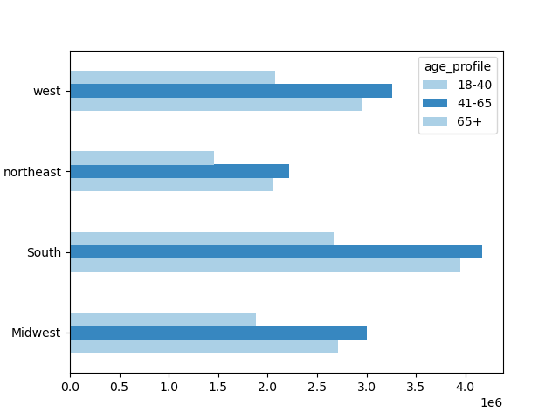
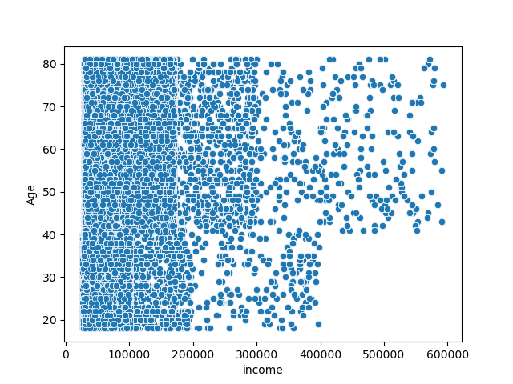
 |  |  |  | Title page

Visualisations

In this tab you should include all the visualtions from Exercises 4.9 and 4.10, alongside the questions from the project brief that they answer. Include any commentary on the relationship between different variables.

Key Questions
Questions 1: The sales team needs to know what the busiest days of the week and hours of the day are.
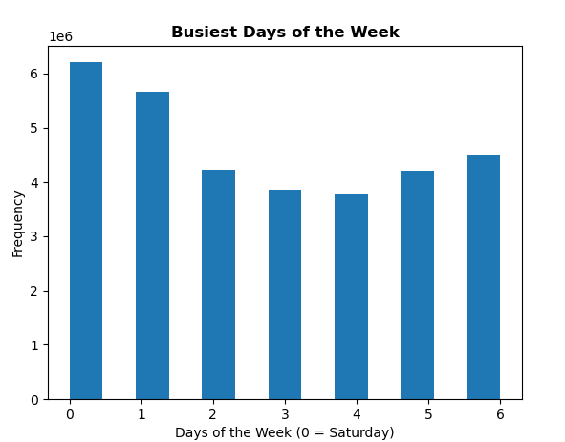
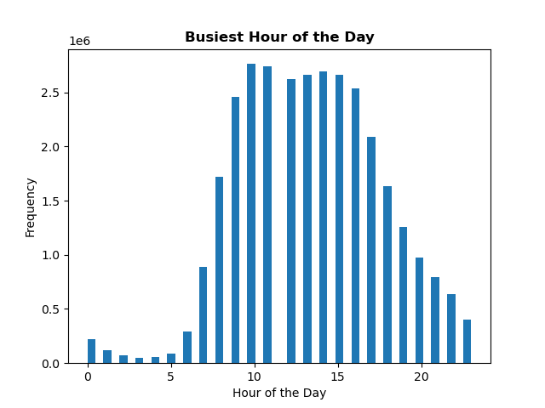

- Saturday (0) and Sunday (1) are the busiest days of the week.
- The slowest is Tuesday and wednesday.
-The second visualization is a histogram of the orders placed per hour of the day.
- The busiest hours are between 10AM and 4PM.
- The slowest ordering is between midnight and 6AM.

Questions 2: They also want to know whether there are particular times of the day when people spend the most money, as this might inform the type of products they advertise
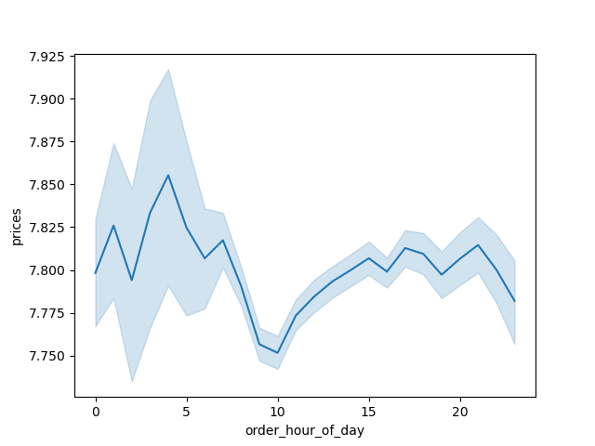
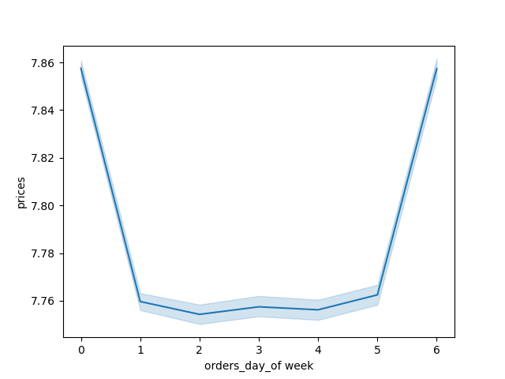
The first chart shows the average price of items ordered each hour.
-The variablility and peaks of the average price before 8AM are due to the low amount of orders placed during those hours.
Accoridng to the chart people spend most money between 4pm and 5pm daily.
The second chart shows average price of items on the day of the week;
-Saturday and Friday has the highest average price per item. Friday has the third highest number of items ordered weekly with a mean price comparable to Saturday This suggest that customers order more expensive items on Friday and Saturday to prepare for weekend.

Questions 3: Instacrt has a lot of products with different price tags. Marketing and sales want to use simpler price range groupings to help direct their efforts
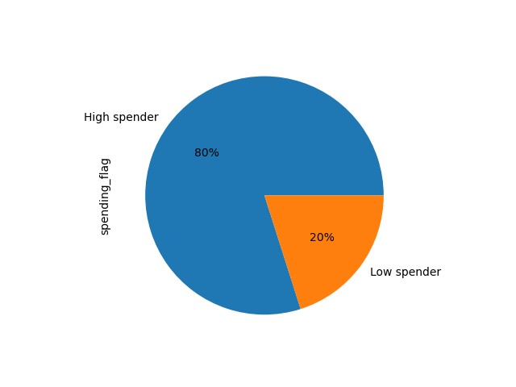

From the chart, The price range groupings are "High Spender" and "Low Spender". It is clear the vast majority of customers fall into the "High Spender" category.

Questions 4: Are there certain types of products that are more popular than others? The marketing and sales teams want to know which department have the highest frequency of products orders

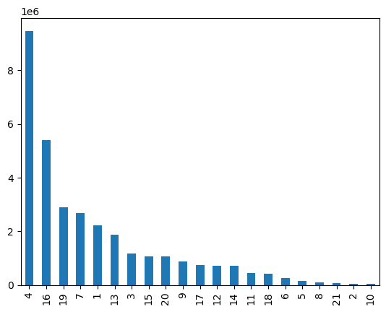
This bar chart represents the amount of products that are being bought from different departments.
It can be infered that the most popular products are from "produce (4) and dairy/eggs (16)
The least popular are 'other' (2) and 'bulk' (10)
Department_id/Department name
1 - frozen
2 - other
3 - bakery
4 - produce
5 - alcohol
6 - international
7 - beverages
8 - pets
9 - dry goods pasta
10 - bulk
11 - personal care
12 - meat/seafood
13 - pantry
14 - breakfast
15 - canned goods
16 - dairy/eggs
17 - household
18 - babies
19 - snacks
20 - deli
21 - missing

 | Department_id

Questions 5a: Whats the distribution among users in regards to their brand loyalty (i.e how often do they return to instacart

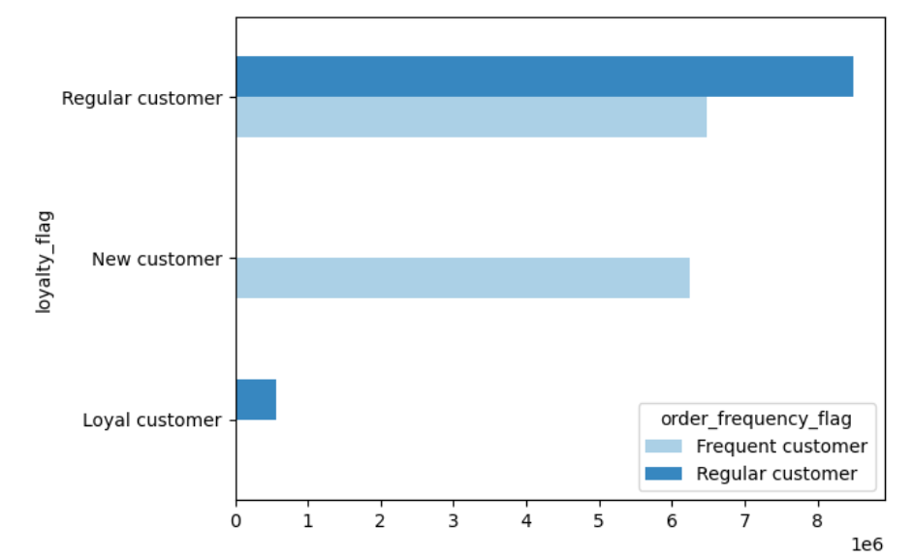
The chart shows that Regular customer are the most users that are mostly regular and loyal to instacart

Question 5b: What are the differences in ordering habits based on a customer"s loyalty status

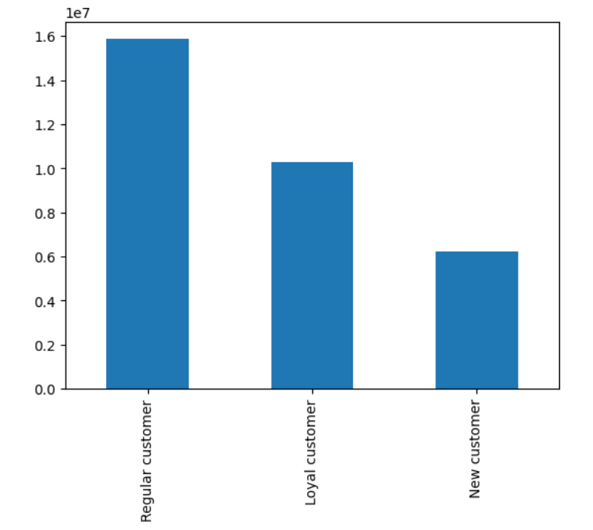
The chart shows loyalty status with respect to orders;
From here, It can be infer that Regular customers are the most loyal customers of instacart

Question 5c: Are there differences in ordering habits based on a customer"s region
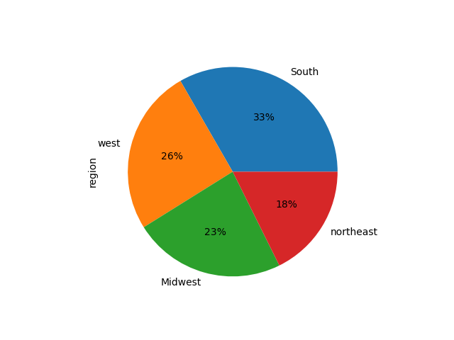

The pie chart shows ordering habit of customers across the region.
-South region has the largest orders of 33% followed by West then Midwest.
- The lowest region is Northeast

Question 5d: Is there a connection between age and family status in terms of ordering habits


The average number of dependants per customer is 1.5.
- Since age and family status do not have a relationship to each other, these variables are not likely to be useful when used together to compare differences in ordering habits.

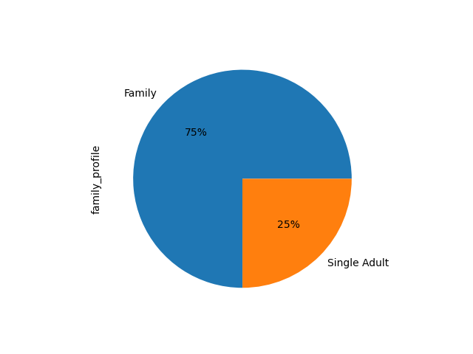
Question 5e: What different classifications does the demographic information suggest? Age? Income? Certain types of goods?Family Status?

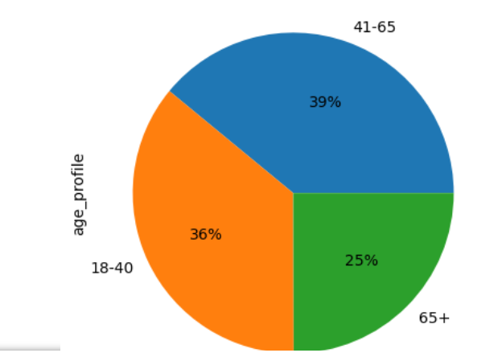
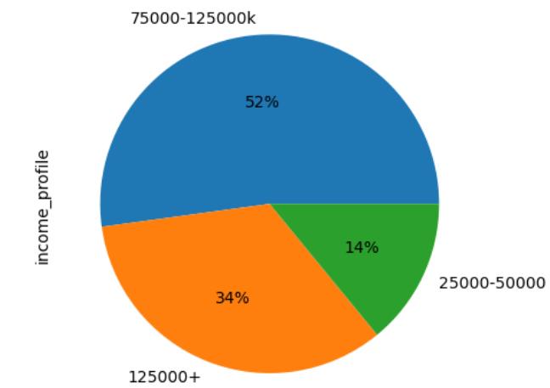
-The first chart shows that all customers with age profile has an average of 13 capacity for ordering meanhwile, customer with 41-65 represent the highest revenue for instaccart followed by 18-40 group.
-The second chart shows that customers with income 50k-125 represent the highest revenue for instacart and an average of 13hour ordering capacity.
- The third chart illustrates family_profile and customers with families represent the highest revenue and ordering capacity of 13hours

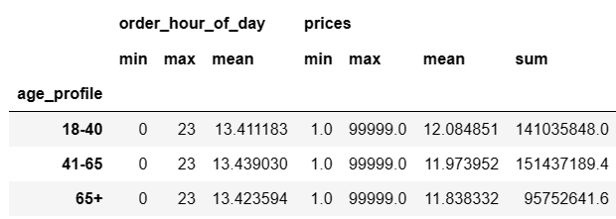
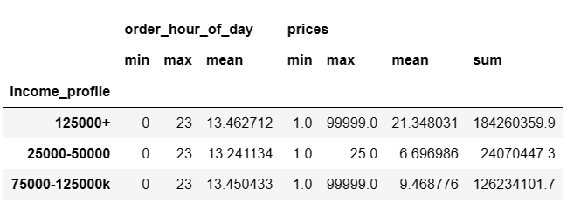


Question 5f: What differences can you find in ordering habits of different customer profiles

Income profile by Region |  | Family profile by region
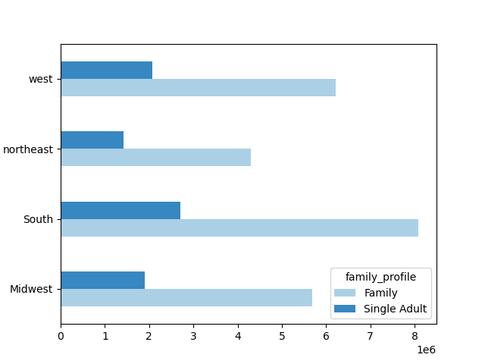
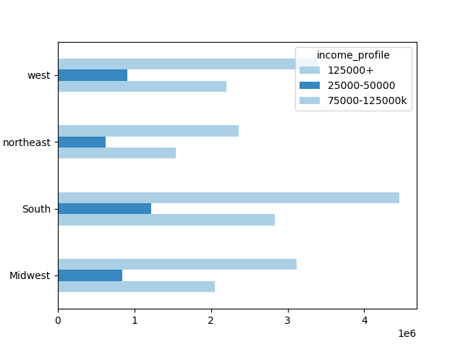
-The first chart shows the income profile by region and income 125000+ is the highest in the south region.
-The fourth shows family as the highest in the south region.
The third chart shows the Age profile by. The age profile 41-65 is the highest in the south region
-The fourth chart is the scatter plot. The scatterplot illustrates that from the ages 20-40, the most common income is around 200k. Once the age reaches 40, that income is more likely to be around 300k.

Age profile by region |  |  | Income by Age

